18F_BCPP-EF(compound)
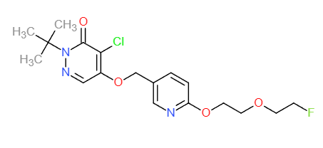
Structures
Property name | Property Value
trivial name | [18F]BCPP-EF
DOI | 10.1002/jlcr.3056
Molecular formula | C18H23Cl18FN3O4

Chemical and Physical Properties | Calculated by ChemDraw(ver22.2.0)
Molecular weight | 398.85
XlogP3 | 2.40
Hydrogen Bond Donar Count | 0
Hydrogen Bond Acceptor Count | 2
Rotatable Bond Count | 10
Exact Mass | 398.14
Monoisotopic Mass | 398.14
Topological Polar Surface Area | 72.72
Heavy Atom Count | 27
Formal Charge | 0
Complexity
Isotope Atom Stereocentor
Defined Atom Stereocenter Count
Undefined Atom Stereocenter Count
Defined Bond Stereocenter Count
Undefined Bond Stereocenter Count
Covalently-Bonded Unit Count
Compound Is Canonicalized

BioAssay Results
Activity Value, nM | Activity Type | BioAssay Name | BioAssay AID | Substance SID | DOI (References other than Pubchem)
2.31 | Ki | using bovine cardiomyocyte SMP, vs 3H-dihydrorotenone |  |  | 10.2967/jnumed.113.125328

